1. Title Page
[Instacart Basket Analysis]

Project Name: Instacart Basket Analysis
Date: January 13 2023
Analyst Name: Bandana Sharma

Contents:
Population Flow
Consistency checks
Wrangling steps
Column derivations
Visualizations
Recommendations
Data Citation
“The Instacart Online Grocery Shopping Dataset 2017”, Accessed from www.instacart.com/datasets/grocery-shopping-2017 via Kaggle on [date].

Do note that the customer data,
as well as the “prices” column in the products data set, were both fabricated for the purpose of this course

2. Population Flow
 |  |  | Title page

Population flow

Exclusion flag
Condition: max_order < 5
Obervations to be removed: 1440295
Final total count of order_products_all: 30964564

Orders_products_combined
Orders_products_merged
Orders_products_all

Total:
Total:
Total:
32434489, 13 | 32404859, 14 | 32101859,31

1.) The grey boxes in the first row of the population flow represent the original data sets as they were when you downloaded them. In the Total fields you need to add the count of the rows when you imported the data set into Jupyter.
2.) The second row of boxes (coloured) represents the data sets after you manipulated them, e.g., removed missing values and duplicates. In the Total fields you need to add the count of the rows after conducting these operations. This offers a visual oveview of how the data flows throughout the data consistency checks.
3.) The third row, where also the arrows are coloured, represents the merges you performed between the datasets. In the Total fields you need to add the count of the rows in the merged datasets, so that you end up with the final dataset (in the red box). Keep in mind the final dataset should be without exclusions (based on the exclusion flag).

3. Consistency checks
 |  |  |  | Title page
Consistency checks

Dataset | Missing values | Missing values treatment | Duplicates
orders | days_since_prior_order 206209 | Missing values to large to be dropped so missing values was NOT dropped or Imputed' | No duplicates
products | product_name 16 missing values | created a new data with missing value created another dataframe with clean data than removed all Missing values (subdataframe) | 5 duplicates/dropped duplicated
orders_products_prior |  |  | none
 | 5127 prices values that were outliers | values were chance to missing value =NaN
customers | 11260 Missing first Name | no chances done it will not effect the data | none

4. Wrangling steps
 |  |  |  | Title page
Wrangling steps

Columns dropped | Columns renamed | Columns' type changed | Comment/Reason
Eval_set from df_ords df_ords.drop(columns = ['eval_set']) |  |  | this was usnessory
 | Changes column name "order_dow" to 'orders_day of the week'df_ords df_ords.rename(columns = {'order_dow' : 'orders_day_of_week'}, inplace = True)df_ords |  | the dow was not clear so change it to data of week
 |  | df_ords['order_id'] = df_ords['order_id'].astype('str') | so it doesnot show in descriptive data
 | Change 'First name' to 'First_name
 | Changed 'surnam' to 'Last_name'
 | Changed 'STATE' to 'State'
 | Changed 'n_dependants' to 'Number_of_dependants'
 | changed 'fam_status' to 'Family_status'
 |  | Customer dataframe
 |  | Changed "user_id" from Int64 to "string datatype. (customer dataframe) | it is catogorical variable, numbers cant be used in statistic meausrements (also to assure that it matches the other dataframe to merge with ease.
 |  | changeed Age "int64" tp "int8" (customer dataframe) | age desont need all the space that was provided and will save in sapce and memory
 |  | Changed "Number_of_dependants" "int64 to int 8 for space. (customer dataframe) | the variable doesn’t 64 bits of pace so reduced the size
 |  | changed "income from int 64 to int 34 (customer dataframe) | to save memory space
 |  | changed "date_joined" from object to 'pd.date time '
 |  | ords_prods_merge
 |  | User_id from int64 to string | Minimize RAM Usage
 |  | order_id from int 64 to string | Minimize RAM Usage
 |  | order_number int 64 to int 32 | Minimize RAM Usage
 |  | orders_day_of_week from int64 to int8 | Minimize RAM Usage
 |  | order_hour_of_day from int64 to int8 | Minimize RAM Usage
 |  | from Int64 to int32 | Minimize RAM Usage
 |  | aisle_id fron int64 to int8 | Minimize RAM Usage
 |  | department_id from int64 to int32 | Minimize RAM Usage
 |  | max_order from int 64 to int8 | Minimize RAM Usage
 |  | Product ID to objec tfrom int64 | Minimize RAM Usage
 |  | fro int64 to int 32
Dropped _merge column from ords_prods_merge |  |  | was not needed and was intefering with merge of customer ono it
Fist_name |  |  | PII
Last_name |  |  | PII

5. Column derivations
 |  |  |  |  | Title page

Column derivations and aggregations

In this tab you should add tables below that the frequences of flags/label variables that you produced after deriving them. NB: don't do this for continuous variables, only for flags.
Dataset | New column | Column/s it was derived from | Conditions | results
ordes
products
customers
order_products_prior
ords_prods_merge | price_range_loc | Price | If price is < or=$5 than show result of Low-range products if Price >5 or <=15 than shoe result of Mid-range products If price is >15 than show result of High-range products | price_range_loc Mid-range product 21860860 Low-range product 10126321 High-range product 417678 Name: count, dtype: int64
 | busiest_day | orders_day_of_week | for Value in ords_prods_merge of the column [orders_day_of_the_week] if value=0 (which is Saturday =busiestday) result show "Busiest day" of value=4 (which is wednesday =least busiest day) result show "least busy" else (rest of them) (which are rest of the day of the week) result show "Reguarly busy" | busiest_day Regularly busy 22416875 Busiest day 6204182 Least busy 3783802
 | busiest_days | orders_day_of_week | for Value in ords_prods_merge of the column [orders_day_of_the_week] if value=0 or 1(which is Saturday and sunday=busiest day) result show "Busiest days" of value=4 or 3 (which is wednesday ans tuesday =least busiest day) result show "Slowest days" else (rest of them) (which are rest of the day of the week) result show "Reguarly busy" | Regularly days 12916111 Busiest days 11864412 Slowest days 7624336
 | busiest_period_of_day | order_hour_of_day | for ords_prods_merge dataframe from ['order_hour_of_day']: if value == 10 (10th hour): than show result of "Most orders") if value == 3: (3rd hour) than show the result "Fewest orders" otherwise show:"Average orders" | busiest_period_of_day Average orders 29591818 Most orders 2761760 Fewest orders 51281 Name: count, dtype: int64
 | max_order | Order-number and User_id | transform.np
 | Loyalty_flag | Order_number and User_id | first started with aggratating function maximum number (numby library) then used loc funtion to create a loyalty_flag user ID order number <= 10 as "new customer" user id order number> 10-<40 as "regular Customer" iser id_ order number >=40 as "Loyal Customer" | loyalty_flag Regular customer 15876776 Loyal customer 10284093 New customer 6243990 Name: count, dtype: int64
 | mean_buyer | user_id and prices | transform.np
 | Spending_flag | price and User_id | first started with aggratating function mean number (numby library) than use loc function to create Spender flag column than in the buyer_mean is <10 result as Low spender I the buyer_ean ins >= 10 than result as Higher spender | Spending_flag Low spender 31770614 Higher spender 634245 Name: count, dtype: int64
 | median_buyers | days_since_prior_order and user_id | transfrom function from numby
 | Frequency flag | days_since_prior_order and user_id | I median buyer of days since prior order are >than 20 than on show as Non-frequent Customer median buyer >10 or < = to 20 are "regular customer" median buyer <= to 10 are shown as "Frequent customer" | Order_frequency_flag Frequent customer 21559853 Regular customer 7208564 Non-frequent customer 3636437
ords_prods_cust_dfmerge
 | Goods | department_id
 | income_Group | income | Creating coulmn base on income Income groups will have 3 categories if income less than 60K will be addess as "Low income' if income higher than 250K will be addess as "High income' rest income that fall inbtween will be ddressed as 'Middle income' | income_Group Middle income 24982036 Low income 5802750 High income 179778 Name: count, dtype: int64
 | age_group | age | Creating age group 18-30 as Young adult 65 and older as Elderly or else = Adult | age_group Adult 16951417 Elderly 8195544 Young adult 5817603 Name: count, dtype: int64
 | Region |  | northeast_states = ['Maine', 'New Hampshire', 'Vermont', 'Massachusetts', 'Rhode Island', 'Connecticut', 'New York', 'Pennsylvania', 'New Jersey'] Midwest_states=['Wisconsin','Michigan','Illinois','Indiana','Ohio','North Dakota','South Dakota','Nebraska','Kansas','Minnesota','Iowa','Missouri'] South_states= ['Delaware','Maryland','District of Columbia','Virginia','West Virginia','North Carolina','South Carolina','Georgia','Florida',' Kentucky','Tennessee','Mississippi','Alabama','Oklahoma','Texas','Arkansas','Louisiana'] West_states=['Idaho','Montana','Wyoming','Nevada','Utah','Colorado','Arizona','New Mexico','Alaska','Washington','Oregon','California','Hawaii']

6. Visualizations
 |  | Title page

Visualisations

In this tab you should include all the visualtions from Exercises 4.9 and 4.10, alongside the questions from the project brief that they answer. Include any commentary on the relationship between different variables.

 | What is the busiest days of the week What is the Busiest Hours of the day

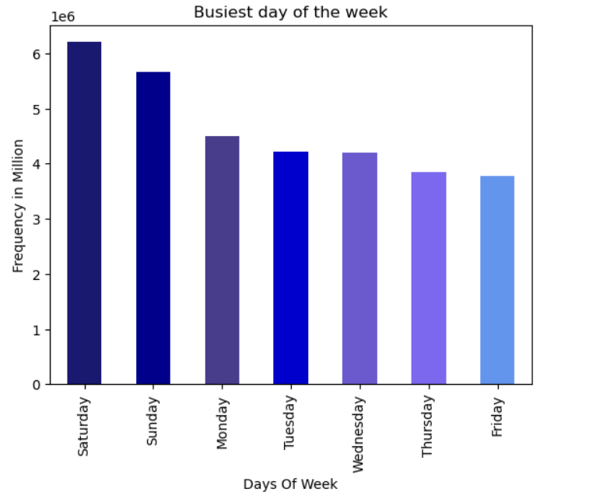
According to the analysis, Saturday and Sunday emerge as the busiest days of the week. The majority of the U.S. population is off on these two days, making them the peak periods. Additionally, during the hours of 10 am to 5 pm, which largely coincide with daylight hours, are identified as the busiest times upon further analysis.
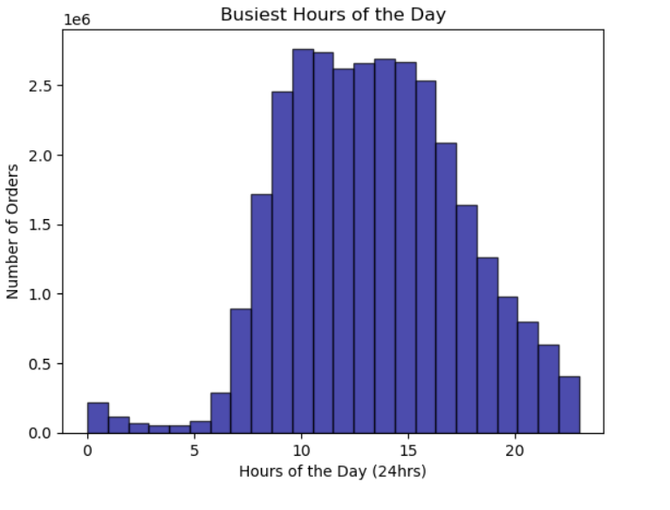

simpler price range groupings

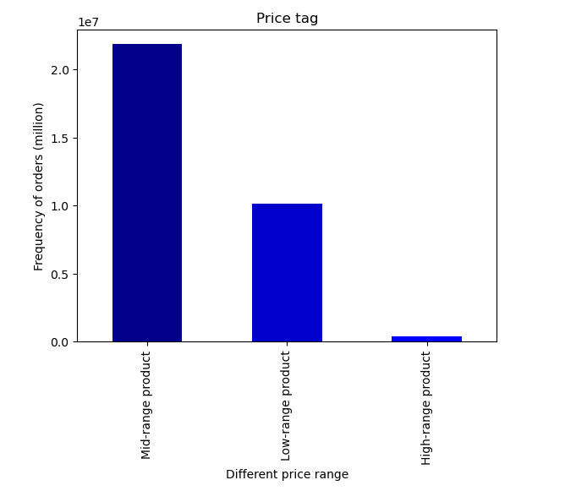
The majority of products fall within the mid-range category, specifically those priced at $5 and equal to or greater than $15. However, upon examining the chart, it becomes evident that a substantial portion of ordered products lies within the price range of 1$ to $15.
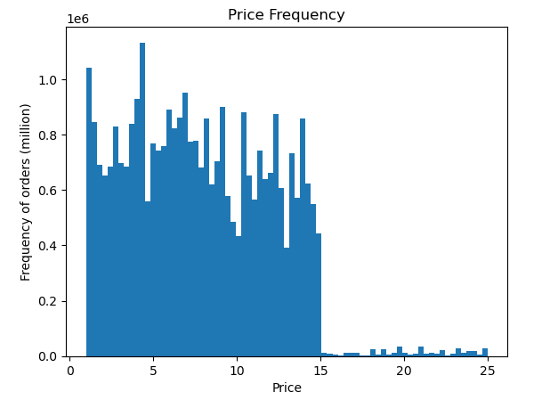

Customer spender based on region

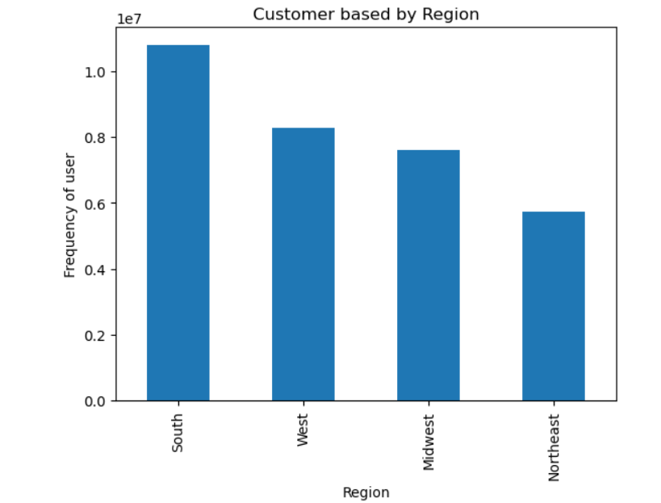
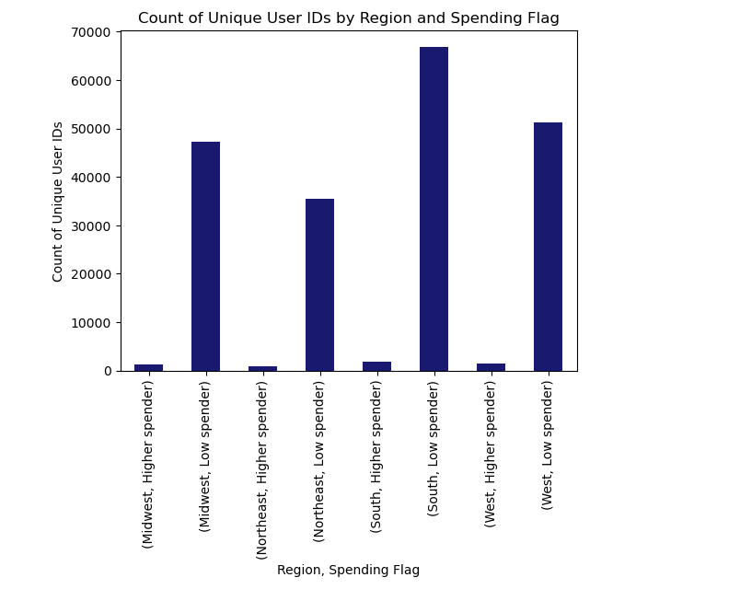
In terms of geographical regions, we have customers based in the Southern region of the country, encompassing states such as Delaware, Maryland, District of Columbia, Virginia, West Virginia, North Carolina, South Carolina, Georgia, Florida, Kentucky, Tennessee, Mississippi, Alabama, Oklahoma, Texas, Arkansas, and Louisiana.
Chart Right-When compared to other regions, a significant portion of customers from this Southern region tends to be low spenders, indicated by a buyer_mean of less than 10, categorizing them as Low spenders. There isn't a substantial difference in this aspect across all regions.

products/department with most sales ?
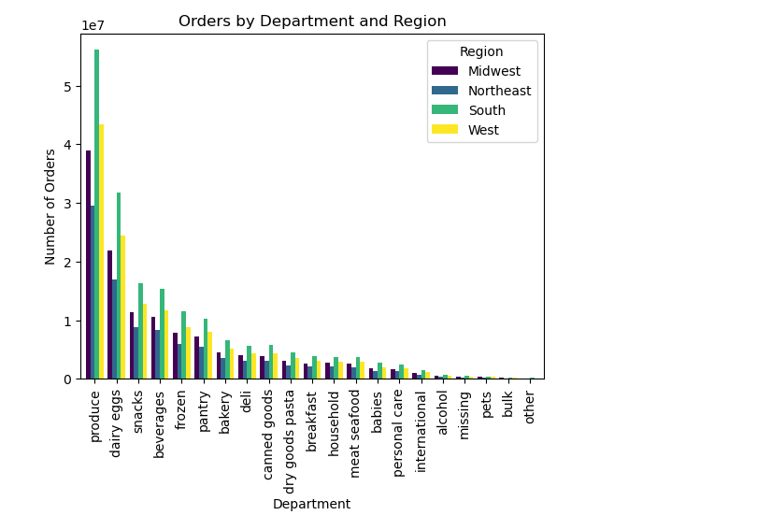
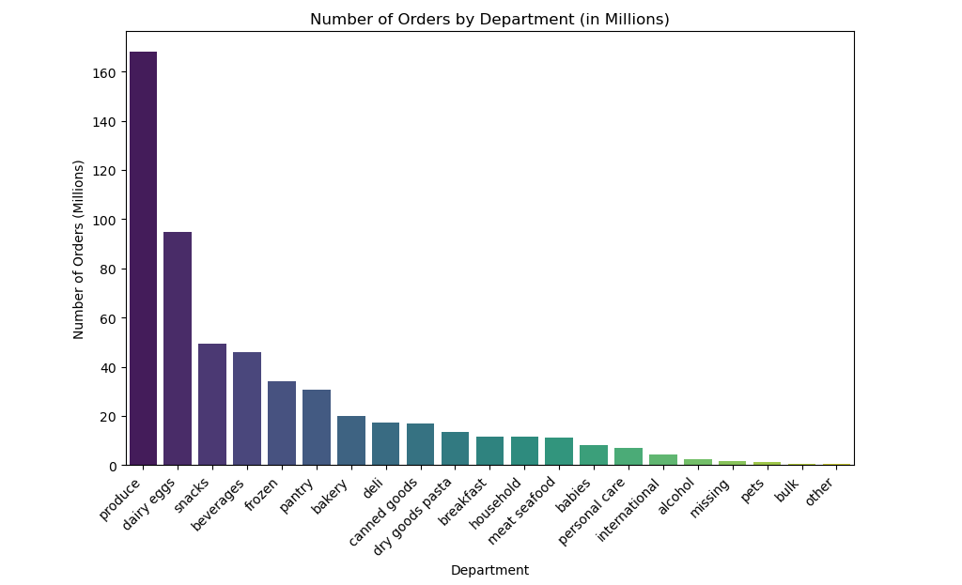

It is a clear indication that Produce are the higer saler among all.
pout top 5 department are Produce, dairy eggs, snack, beverage, and frozen goods.
order by departments the sothearn have higer number of orders in compare to other in all departments.

 | What group of people are reordering more?

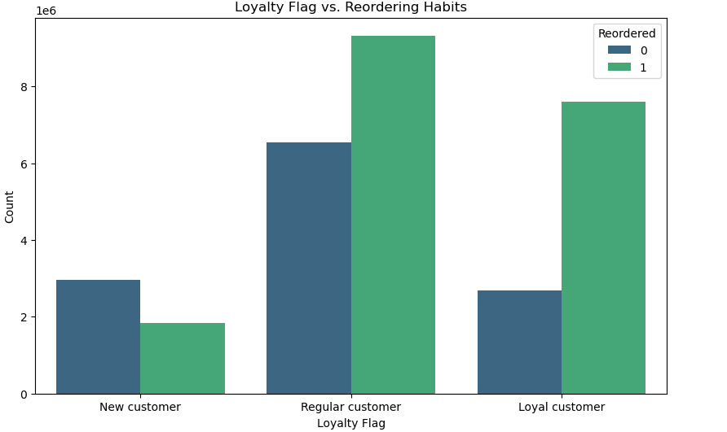
Regular customers are making more reorders compared to both new customers and loyal customers. New customers are taking a longer time to place their orders, whereas regular customers take an average of 8 days, and loyal customers order within an average of 5 days. Within the regular customer category, families with dependents tend to place more orders.
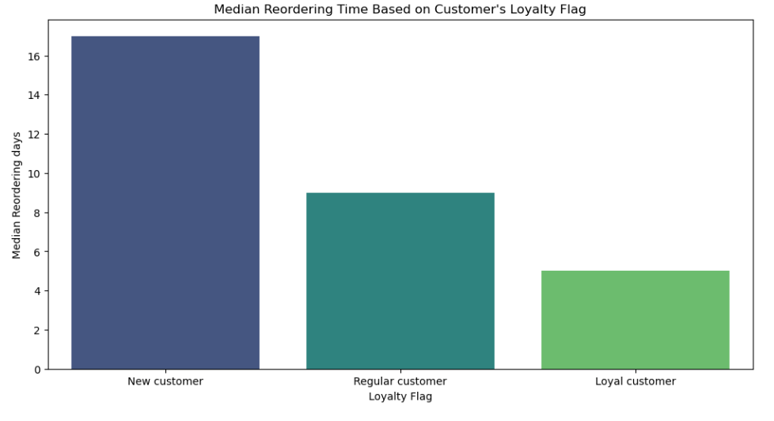

new customer are ordering

 | Family status and age has any difference on what they purchase?

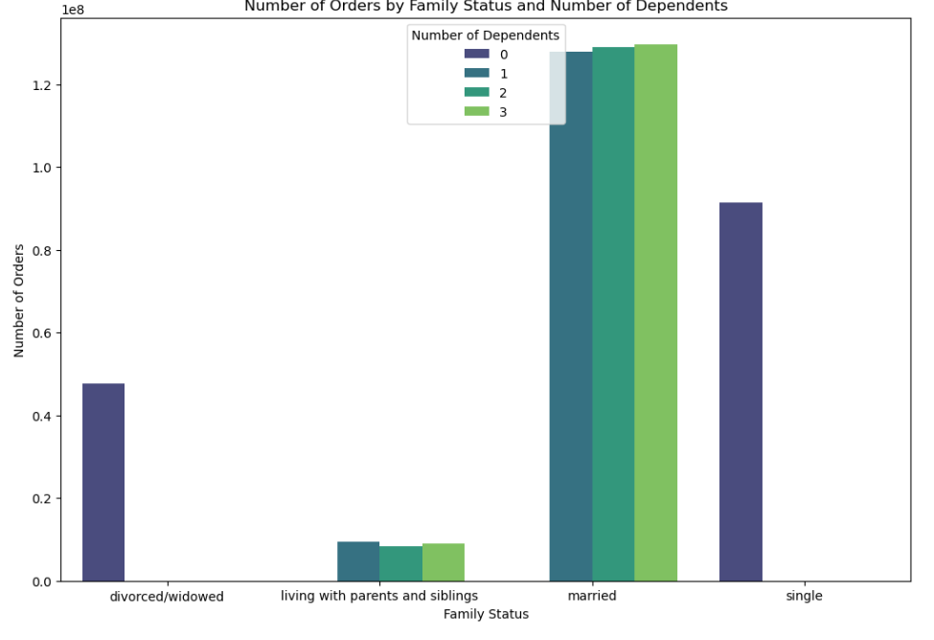
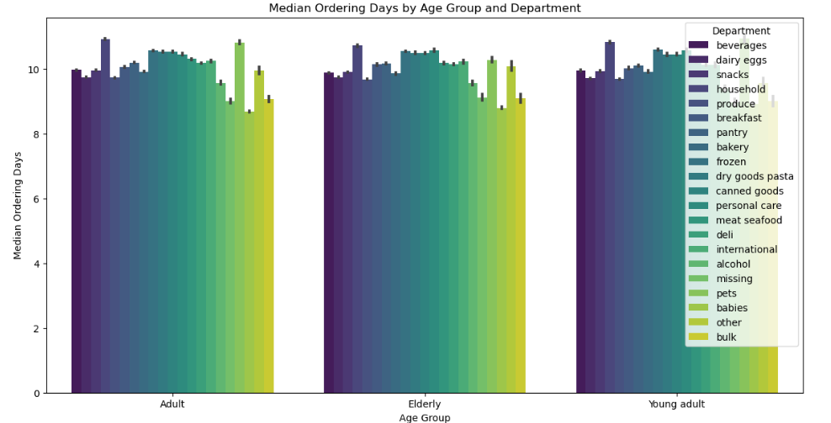
Individuals who are married with number of dependents tend to place more orders compared to others with family status. According to the right chart, there isn't much difference in the produce they order across their age groups.

Family dynamic in and User
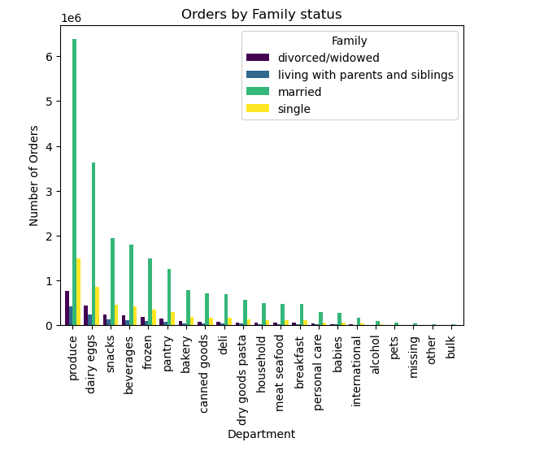
The left chart indicates that there isn't much difference in the products purchased based on family status. On the right chart, it is evident that our regular customers are numerous and tend to have dependents at home.
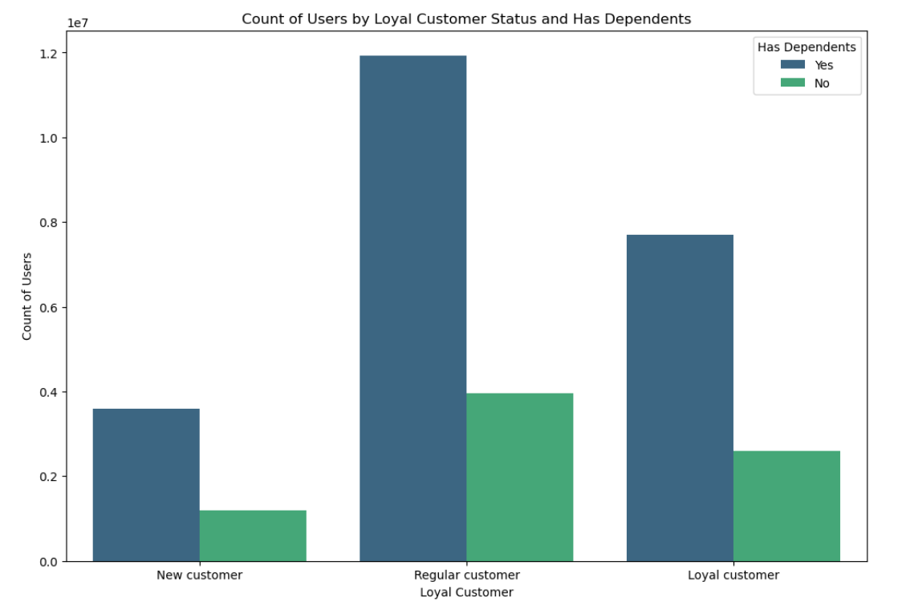

Reording based on region

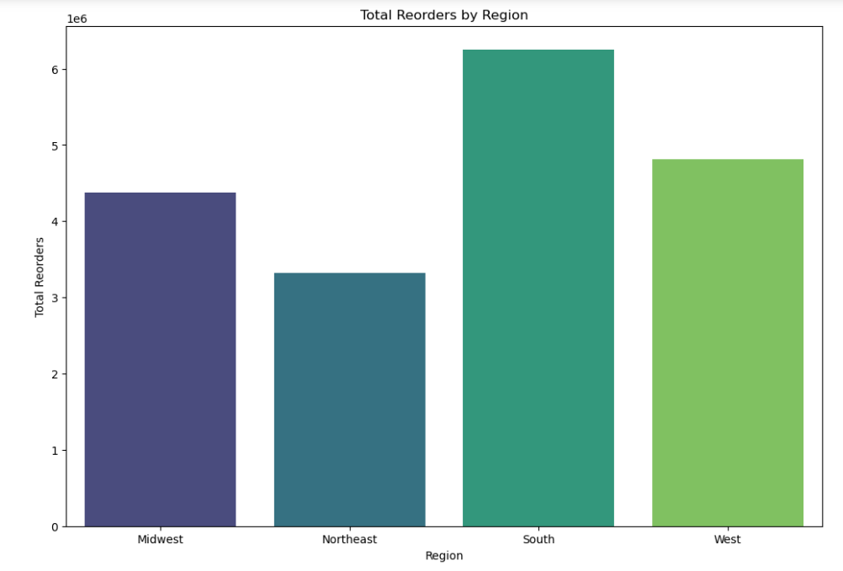
Based on the chart, we observe that the Southern region of the country has the highest reordering frequency, followed by the West, Midwest, and finally the Northeast. The marketing team may consider focusing more on the Midwest and Northeast regions to increase customer engagement and encourage more frequent purchases.
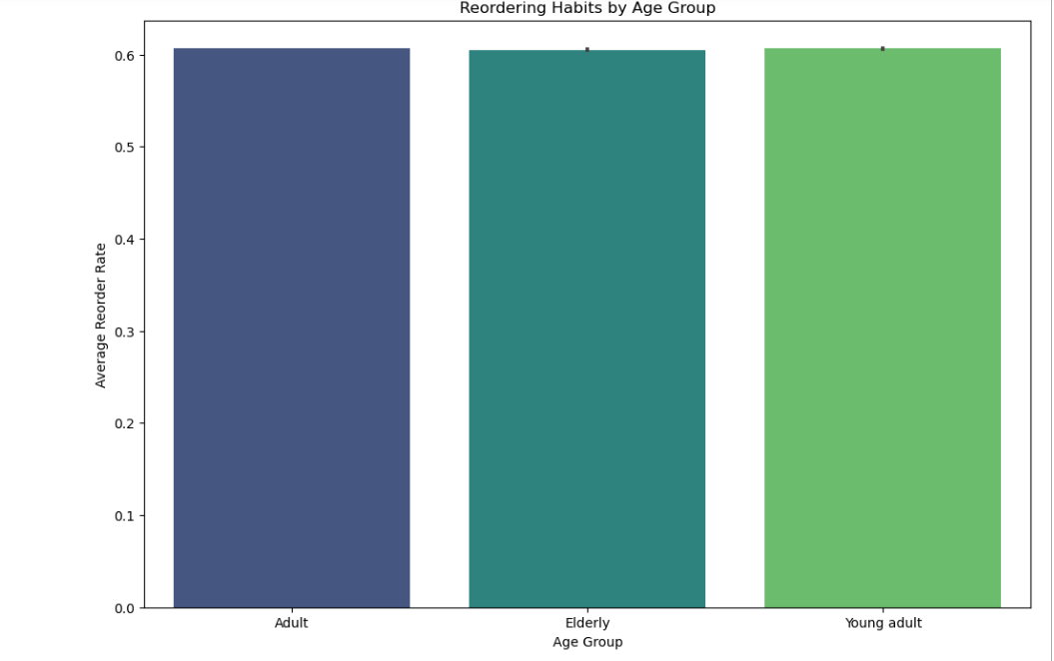
there are not much
different in age
group and
reordering habbits.

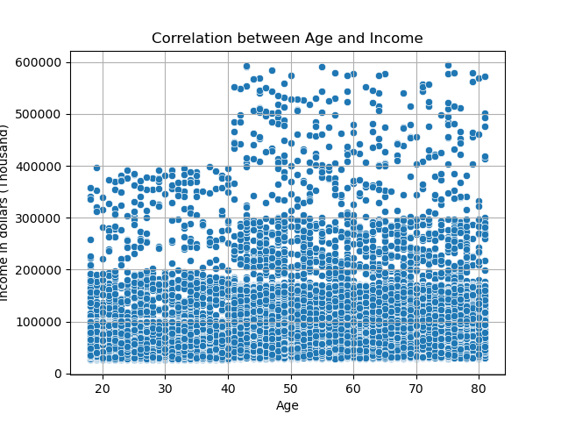

There are no correlation between Age and Income

7. Recommendations
 |  | Title page

Recommendations

In this tab you should include any recommendations you would made to Instcart in terms of their marketing strategy based on the questions posed in the brief. Every key question has been covered in the Tasks of the Exercises - here you need to add an item - a visualisation or table/crosstable that is showing the answer in the data, acompanied by a comment from you. Please, list the questions below and add the answer underneath.

Question | Answer
The days and times with the most orders? | According to the analysis, Saturday and Sunday emerge as the busiest days of the week. The majority of the U.S. population is off on these two days, making them the peak periods. The marketing team is recommended to display more ads during peak hours, particularly on Friday night, all day Saturday, and all day Sunday, as these times show the highest ad engagement.

What are the Hours that are the Busiest? | Based on the analysis and chart, it's clear that the busiest times occur between 10 am to 5 pm, coinciding with daylight hours. The suggestion is to run live ads during these hours, especially in the buildup to peak times. Many customers use their phones during this period to decide on their orders, and having ads can help them choose more products. Additionally, extending ad promotions to non-peak hours may encourage customers to make purchases even during off-peak times.

Simplier Price tag Grouping? | The majority of products fall within the mid-range category, specifically those priced at $5 and equal to or greater than $15. However, upon examining the chart, it becomes evident that a substantial portion of ordered products lies within the price range of 1$ to $15. Simpler grouping of the Prices can be below $5 is low, 5-15 midrange and 15 and over as high.

Departments have the highest frequency of product orders? | The data clearly indicates that Produce is the top-selling department. The top 5 departments include Produce, Dairy Eggs, Snack, Beverage, and Frozen Goods. Recommending to advertise in other departments will contribute to selling additional products. It's also advisable to continue advertising for the most sold products, as they are highly consumed and popular among customers.

What’sthedistribution among users in regards to their brand loyalty ( how often do they return to Instacart)? | Regular customers are making more reorders compared to both new customers and loyal customers. New customers are taking a longer time to place their orders, whereas regular customers take an average of 8 days, and loyal customers order within an average of 5 days. Within the regular customer category, families with dependents tend to place more orders. Recommend focusing on loyal customers for advertisements and increasing the frequency of promotions to boost sales and reorder rates. Offering unique deals to attract them can encourage more purchases.

Are there differences in ordering habits based on a customer’s region? | When compared to other regions, a significant portion of customers from this Southern region tends to be low spenders, indicated by a buyer_mean of less than 10, categorizing them as Low spenders. There isn't a substantial difference in this aspect across all regions. We also observe that the Southern region of the country has the highest reordering frequency, followed by the West, Midwest, and finally the Northeast. The marketing team may consider focusing more on the Midwest and Northeast regions to increase customer engagement and encourage more frequent purchases.

Is there aconnection between age and family status in terms of ordering habits? | there are not much different in age group and reordering habbits

Family status and age has any difference on what they purchase? | Individuals who are married with number of dependents tend to place more orders compared to others with family status,but there isn't much difference in the produce they order across their age groups Recommended are advertise for targeting population single family status and also customer with no dependents.

